Sheet1
Code | Scientific Name | Common Name | Цена | Наличие | Пример цветовой окраски. | Заказ, шт

Hard Coral
C1001 | Acropora (isopora) palifera - green metalic | Cultured colour acropora (isopora) | 2 420,00 | 20 | 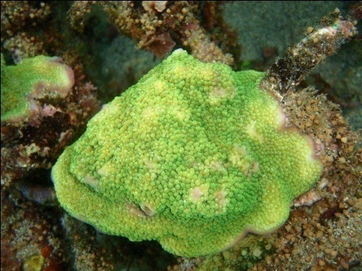
C1002 | Acropora abrolohensis | Common Cultured Acropora | 2 420,00 | 100 | 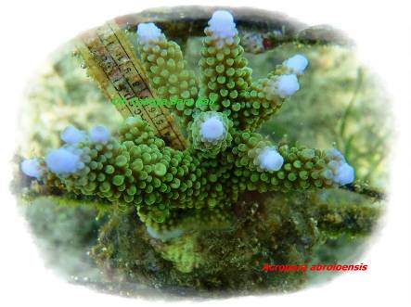
C1003 | Acropora abrotanoides | Common Cultured Acropora | 2 420,00 | 100 | 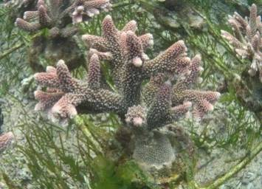
C1004 | Acropora aculeus | Common Cultured Acropora | 2 420,00 | нет в наличии | 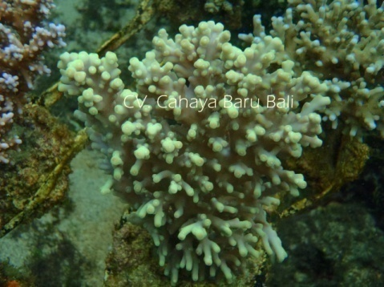
C1005 | Acropora aspera | Common Cultured Acropora | 2 420,00 | 50 | 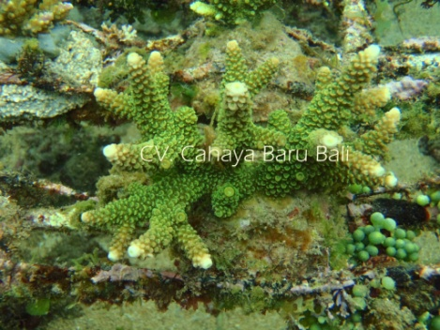
C1006 | Acropora austera | Common Cultured Acropora | 2 420,00 | 50 | 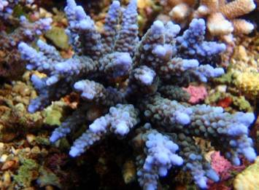
C1007 | Acropora branchi | Common Cultured Acropora | 2 420,00 | 100 | 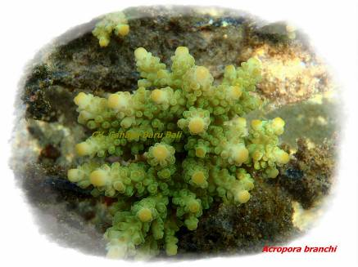
C1008 | Acropora cardus | Common Cultured Acropora | 2 420,00 | 5 | 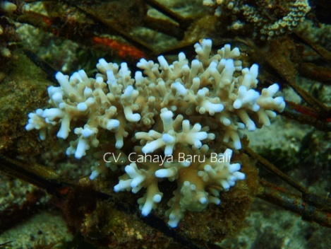
C1009 | Acropora caroliniana | Common Cultured Acropora | 2 420,00 | 5 | 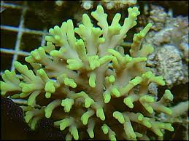
C1010 | Acropora cerealis | Common Cultured Acropora | 2 420,00 | 15 | 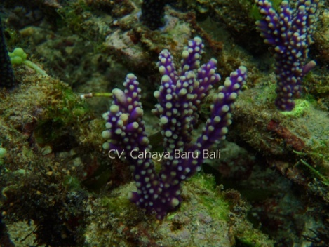
C1011 | Acropora chester (purple) | Common Cultured Acropora | 2 420,00 | 100 | 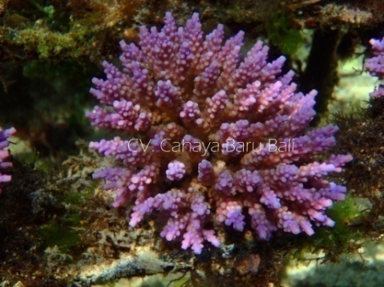
C1012 | Acropora desalwii | Common Cultured Acropora | 2 420,00 | 25 | 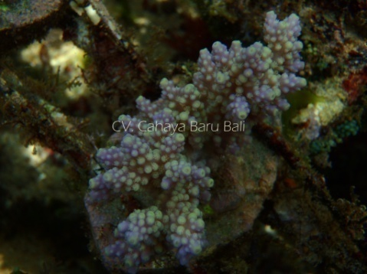
C1013 | Acropora digitifera | Common Cultured Acropora | 2 420,00 | 50 | 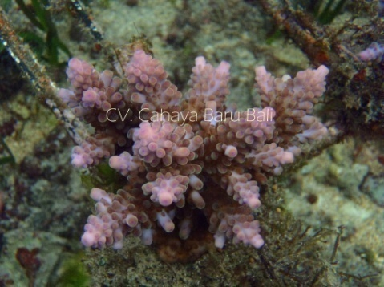
C1014 | Acropora divaricata | Common Cultured Acropora | 2 420,00 | 50 | 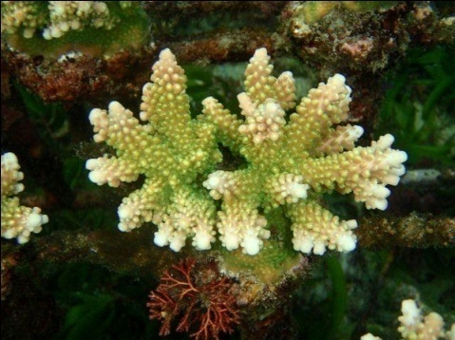
C1015 | Acropora echinata | Common Cultured Acropora | 2 420,00 | нет в наличии | 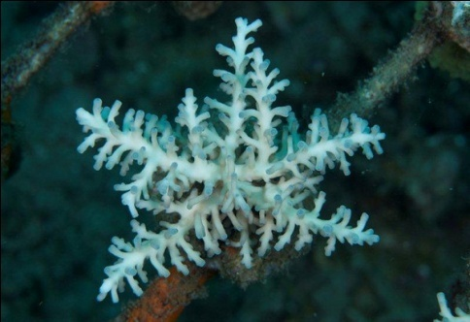
C1016G | Acropora efflorescens (Green) | Common Cultured Acropora | 2 420,00 | 25 | 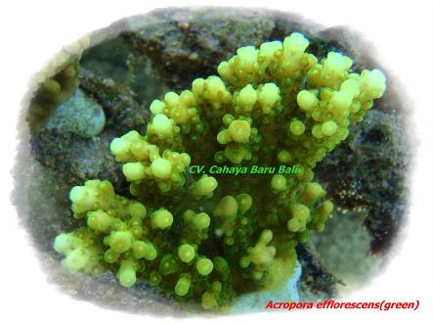
C1016P | Acropora efflorescens (Purple) | Common Cultured Acropora | 2 420,00 | 75 | 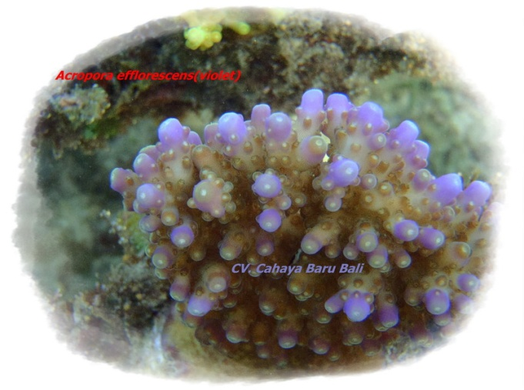
C1017 | Acropora efflorescens plate | Cultured Plate Colour Acropora | 2 420,00 | 30 | 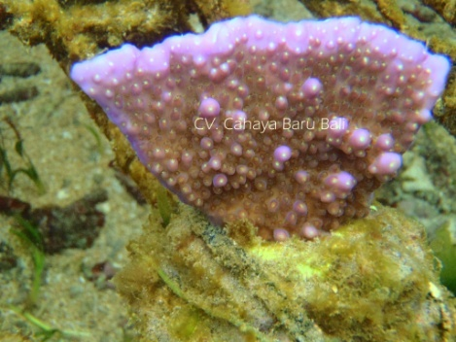
C1018 | Acropora fenneri | Common Cultured Acropora | 2 420,00 | 5 | 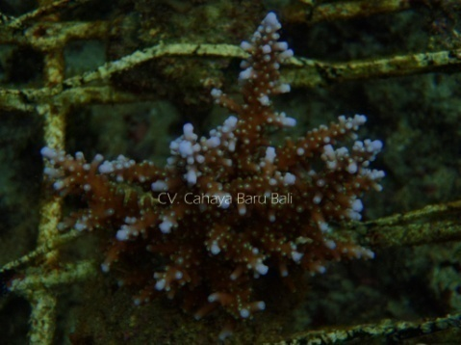
C1019 | Acropora florida (green) | Common Cultured Acropora | 2 420,00 | 75 | 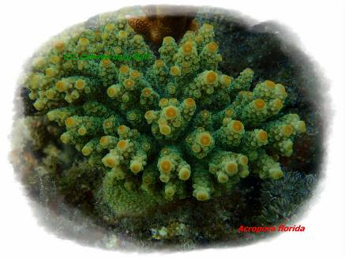
C1020B | Acropora formosa (Blue) | Staghorn Cultured Acropora | 2 420,00 | 100 | 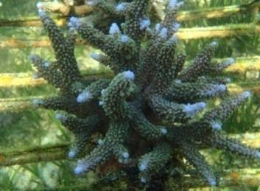
C1020G | Acropora formosa (metalic green) | Staghorn Cultured Acropora | 2 420,00 | 100 | 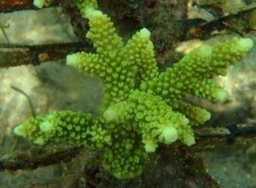
C1021 | Acropora gemmifera | Common Cultured Acropora | 2 420,00 | 50 | 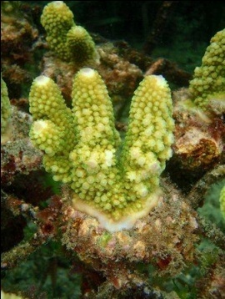
C1023 | Acropora grandis (purple w/ green tip) | Common Cultured Acropora | 2 420,00 | 5 | 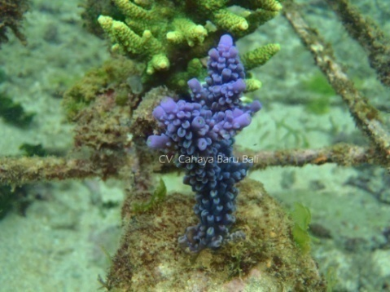
C1024 | Acropora granulosa | Common Cultured Acropora | 2 420,00 | 5 | 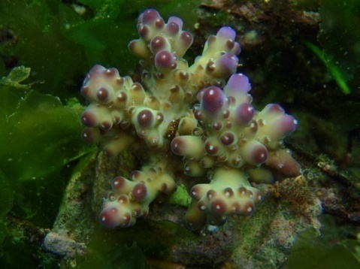
C1025 | Acropora hemprichii | Common Cultured Acropora | 2 420,00 | 100 | 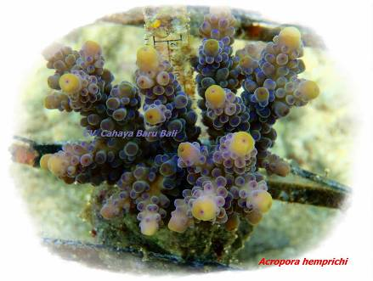
C1027 | Acropora horrida | Common Cultured Acropora | 2 420,00 | 50 | 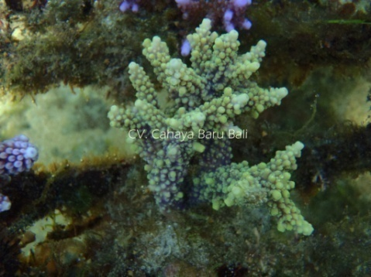
C1028G | Acropora humilis (Green) | Common Cultured Acropora | 2 420,00 | 100 | 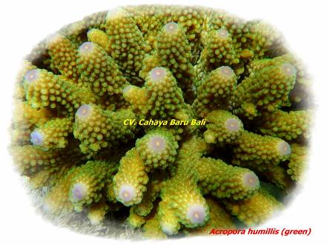
C1028P | Acropora humilis (Purple) | Common Cultured Acropora | 2 420,00 | 50 | 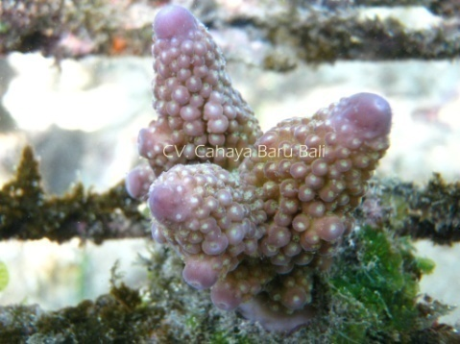
C1029 | Acropora hyacinthus (red w/ purple tip) | Common Cultured Acropora | 2 420,00 | 50 | 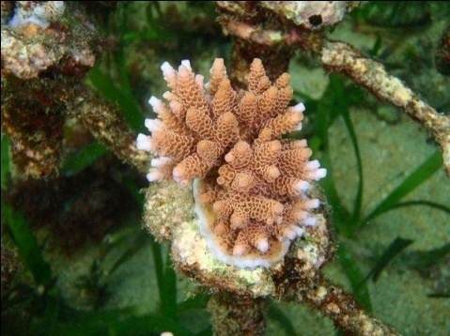
C1030 | Acropora insignis (blue tips) | Common Cultured Acropora | 2 420,00 | 20 | 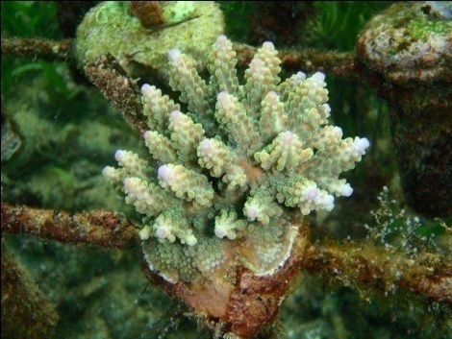
C1031 | Acropora jacquelineae | Common Cultured Acropora | 2 420,00 | 5 | 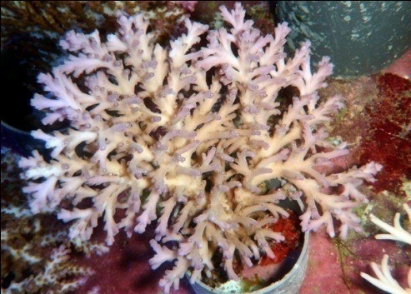
C1032 | Acropora loiseteae | Common Cultured Acropora | 2 420,00 | 20 | 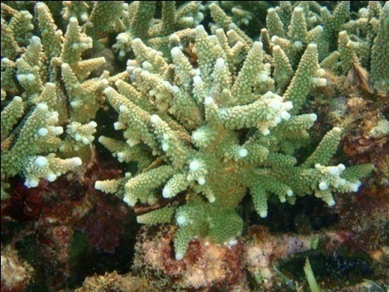
C1033G | Acropora loripes (green yellow) | Common Cultured Acropora | 2 420,00 | 10 | 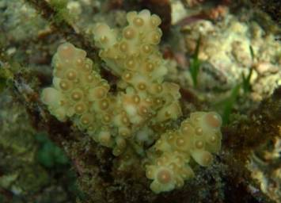
C1033P | Acropora loripes (purple with green polyp) | Common Cultured Acropora | 2 420,00 | нет в наличии | 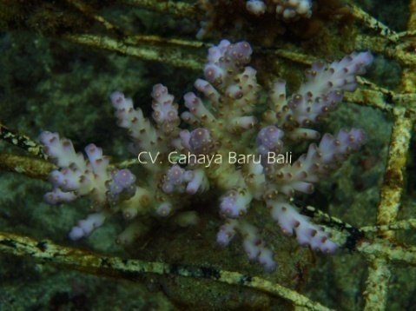
C1034B | Acropora millepora (green w/ blue tip) | Common Cultured Acropora | 2 420,00 | 20 | 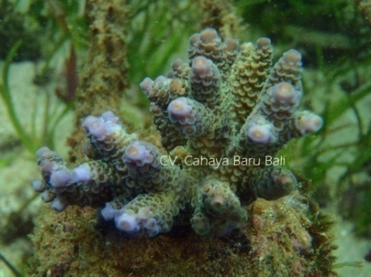
C1034G | Acropora millepora (green) | Common Cultured Acropora | 2 420,00 | 100 | 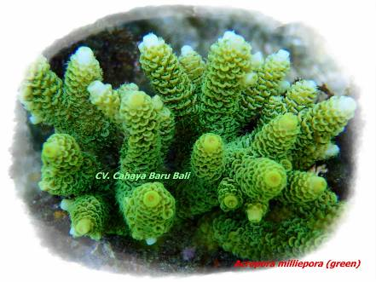
C1034R | Acropora millepora (red/pink) | Common Cultured Acropora | 2 420,00 | 100 | 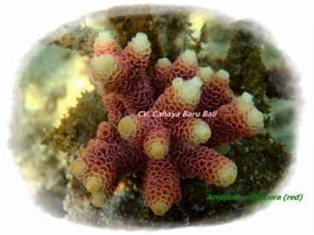
C1034P | Acropora millepora (purple) | Common Cultured Acropora | 2 420,00 | 15 | 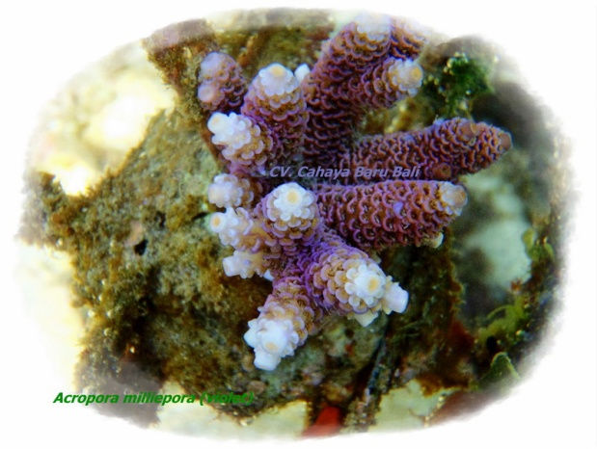
C1035 | Acropora multi color (two or three color) | Cultured multi color acropora | 2 420,00 | 100 | 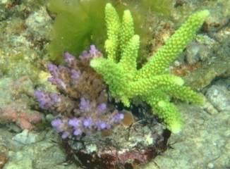
C1036 | Acropora nana | Common Cultured Acropora | 2 420,00 | 200 | 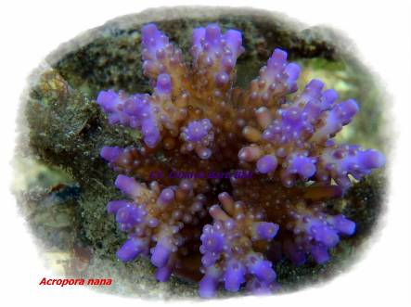
C1037G | Acropora nasuta (Green) | Common Cultured Acropora | 2 420,00 | 50 | 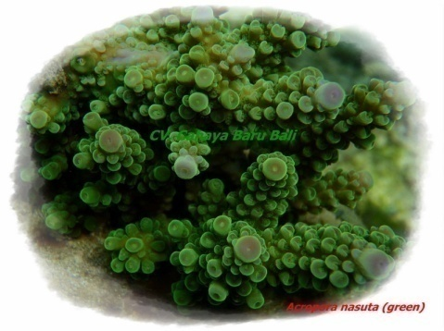
C1037TC | Acropora nasuta (tricolor) | Common Cultured Acropora | 2 420,00 | 100 | 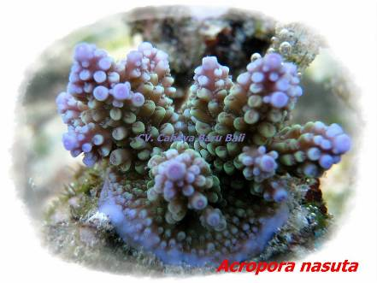
C1038 | Acropora navinii | Common Cultured Acropora | 2 420,00 | 5 | 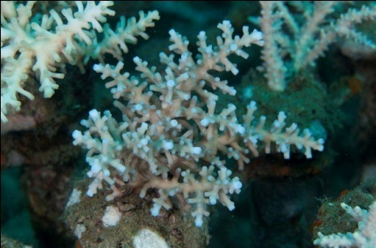
C1039 | Acropora nobilis (green w/ yellow tip) | Common Cultured Acropora | 2 420,00 | 100 | 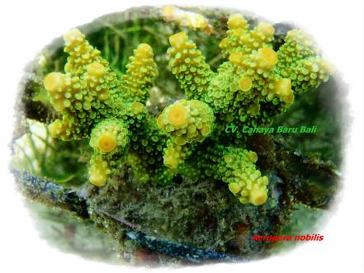
C1040 | Acropora papilare | Common Cultured Acropora | 2 420,00 | 100 | 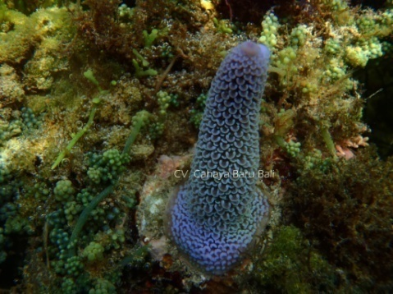
C1042B | Acropora parilis (Blue) | Common Cultured Acropora | 2 420,00 | 50 | 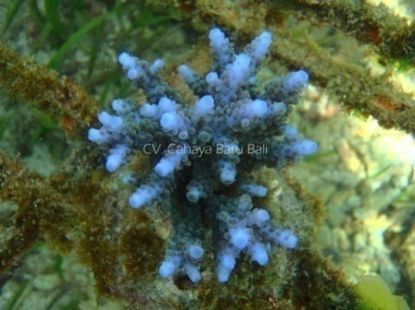
C1042P | Acropora parilis (Purple) | Common Cultured Acropora | 2 420,00 | 50 | 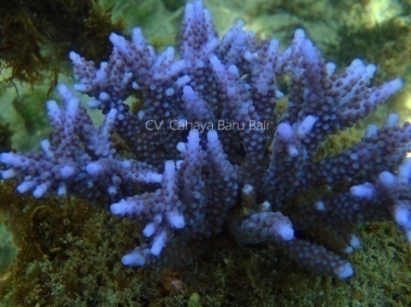
C1044 | Acropora plana (purple) | Common Cultured Acropora | 2 420,00 | 15 | 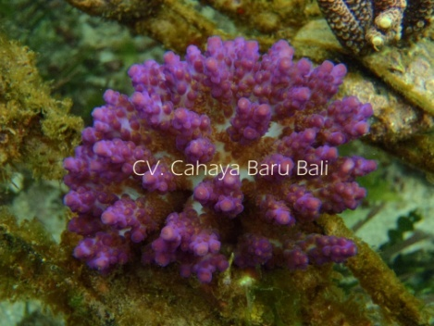
C1045 | Acropora pulchra (purple) | Common Cultured Acropora | 2 420,00 | 100 | 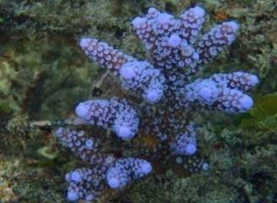
C1046 | Acropora rambleri | Common Cultured Acropora | 2 420,00 | нет в наличии | 
C1047 | Acropora robusta (green w/ red tip) | Common Cultured Acropora | 2 420,00 | 25 | 
C1048 | Acropora rosaria | Common Cultured Acropora | 2 420,00 | нет в наличии | 
C1049G | Acropora roseni (Green) | Common Cultured Acropora | 2 420,00 | 100 | 
C1049Y | Acropora roseni (Yellow) | Common Cultured Acropora | 2 420,00 | 100 | 
C1050 | Acropora secale | Common Cultured Acropora | 2 420,00 | 25 | 
C1051 | Acropora selago | Common Cultured Acropora | 2 420,00 | 20 | 
C1052 | Acropora solitariensis | Common Cultured Acropora | 2 420,00 | 5 | 
C1053 | Acropora speciosa | Common Cultured Acropora | 2 420,00 | 5 | 
C1054 | Acropora sp | Common Cultured Acropora | 2 420,00 | 50 | 
C1055 | Acropora subglabra | Common Cultured Acropora | 2 420,00 | 5 | 
C1056 | Acropora Suharsonoi | Common Cultured Acropora | 2 420,00 | 5 | 
C1057B | Acropora tenuis (blue green) | Green tip blue acropora | 2 420,00 | 15 | 
C1057G | Acropora tenuis (Green) | Common Cultured Acropora | 2 420,00 | 50 | 
C1057P | Acropora tenuis (Purple) | Common Cultured Acropora | 2 420,00 | 50 | 
C1060 | Acropora valida | Common Cultured Acropora | 2 420,00 | 50 | 
C1061 | Acropora valida tricolor | Cultured Acropora tricolor | 2 420,00 | 10 | 
C1062 | Acropora walindii | Common Cultured Acropora | 2 420,00 | 5 | 
C1063 | Acropora yongei | Common Cultured Acropora | 2 420,00 | 100 | 
C1802 | Hydnophora rigida | Cultured Rigida horn coral | 2,610.00р. | 50 | 
C2001 | Merulina ampliata | Cultured Coral Meru | 2,120.00р. | 50 | 
C2101 | Montipora aequituberculata | Cultured Montipora | 2,385.00р. | 50 | 
C2104 | Montipora confusa | Cultured Montipora | 2,385.00р. | 100 | 
C2105 | Montipora danae (purple w/ green polyp) | Cultured Montipora - purple w/ green polyp | 2,385.00р. | 25
C2106 | Montipora danae (purple w/ red polyp) | Cultured Montipora - purple red polyp | 2,385.00р. | 25 | 
C2107 | Montipora digitata (Green) | Cultured Montipora - Digitata | 2,385.00р. | 50 | 
C2108 | Montipora digitata (Purple) | Cultured Montipora - Digitata | 2,385.00р. | 50 | 
C2111 | Montipora mollis | Common Cultured Montipora | 2,385.00р. | 50 | 
C2112 | Montipora monasteriata (orange) | Common Cultured Montipora | 2,385.00р. | 100 | 
C2113 | Montipora samarensis (orange) | Common Cultured Montipora | 2,385.00р. | 100 | 
C2114 | Montipora samarensis (purple) | Common Cultured Montipora | 2,385.00р. | 100 | 
C2117 | Montipora undata (purple) | Cultured Montipora - Purple | 2,385.00р. | 50 | 
C2118 | Montipora venosa (orange) | Sunset Monty | 2,385.00р. | 100 | 
C2119 | Montipora venosa (Purple) | Cultured Montipora - Superman purple | 2,385.00р. | 5 | 
C2121 | Montipora tubercolosa (green) | Common Cultured Montipora | 2,385.00р. | 50 | 
C2201 | Pocillopora damicornis (red) | Cultured Pocillopora - Red/Pink | 2,385.00р. | 100 | 
C2203 | Pocillopora verrucosa (Green) | Cultured Pocillopora - Green | 2,385.00р. | 50 | 
C2204 | Pocillopora verrucosa (Red) | Cultured Verrucosa brush coral - Red | 2,385.00р. | 100 | 
C2401 | Seriatopora caliendrum | Cultured Bird's Nest - Color | 2,430.00р. | 200 | 
C2402 | Seriatopora hystrix (Pink) | Cultured Birdnest Coral Pink | 2,430.00р. | 100 | 
C2502 | Stylophora pistillata (Pink) | Cultured Elkhron coral - Extra Pink | 2,700.00р. | 20 | 
C2503 | Stylophora pistillata (Yellow) | Cultured Elkhron coral - Yellow | 2,700.00р. | 20 | 

